Sheet3
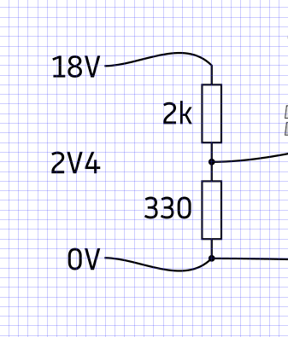
Utotal | 18 | V
R2 | 2000 | ohm
R1 | 330 | ohm
Rtotal | 2330 | ohm
Itotal | 0.0077253218884 | A
U1 | 2.5493562232 | V

8.8
24.2
16.5

